Final-Analysis
Table 1. Experimental Group: The Growth of African Marigold treated with Liquified Food Waste Organic Fertilizer after 3 weeks of treatment. |  |  |  | Table 4. Experimental Group: Summary of Table 1 Liquified Food Waste organic fertilizer.
Samples | Height (cm) | No. of leaves | Total length of leaves (cm) |  |  |  |  | Table 7. One-way Anova Test Results. |  |  | alpha = 0.05 | Determine where significant differences lie through Tukey’s Honest Significant Difference (verifies results from Bonferroni Test)
1 | 67.00 | 34.00 | 318.00 |  | Height (cm) | No. of leaves | Total length of leaves (cm)
2 | 64.00 | 46.00 | 328.00 | count | 12.00 | 12.00 | 12.00 | Growth Parameter | F-statistic | P-value | Reject null hypothesis | Table 11. Determine Significant Differences of the Height (cm) between fertilization treatments through Tukey’s Honest Significant Difference.
3 | 65.00 | 36.00 | 325.00 | mean | 70.50 | 43.50 | 359.50 | Height (cm) | 3.58E+01 | 5.47E-09 | TRUE | Group 1 | Group 2 | Meandiff | P-adj | Lower | Upper | Reject null hypothesis
4 | 76.00 | 41.00 | 308.00 | std | 5.62 | 5.55 | 39.86 | No. of leaves | 1.00E+01 | 3.99E-04 | TRUE | EG | NCG | -2.17E+01 | 1.00E-03 | -2.81E+01 | -1.52E+01 | TRUE
5 | 75.00 | 46.00 | 374.00 | min | 62.00 | 34.00 | 308.00 | Total length of leaves (cm) | 2.21E+01 | 8.04E-07 | TRUE | EG | PCG | -6.50 | 4.79E-02 | -1.30E+01 | -4.97E-02 | TRUE
6 | 62.00 | 47.00 | 310.00 | 25% | 65.00 | 39.75 | 323.25 |  |  |  |  | NCG | PCG | 1.52E+01 | 1.00E-03 | 8.72E+00 | 2.16E+01 | TRUE
7 | 79.00 | 48.00 | 414.00 | 50% | 72.00 | 46.00 | 370.00
8 | 65.00 | 46.00 | 386.00 | 75% | 75.00 | 47.25 | 388.00 |  |  |  |  | Table 12. Determine Significant Differences of the No. of leaves between fertilization treatments through Tukey’s Honest Significant Difference.
9 | 72.00 | 35.00 | 366.00 | max | 79.00 | 49.00 | 415.00 | Determine where significant differences lie through Bonferroni Test |  |  |  | Group 1 | Group 2 | Meandiff | P-adj | Lower | Upper | Reject null hypothesis
10 | 75.00 | 49.00 | 394.00 |  |  |  |  |  |  |  |  | EG | NCG | -9.25 | 7.80E-03 | -1.63E+01 | -2.21 | TRUE
11 | 72.00 | 45.00 | 415.00 |  |  |  |  | Corrected Significance level: | alpha / len(tests) | 0.05 / 3 | 1.67E-02 | EG | PCG | -1.23E+01 | 1.00E-03 | -1.94E+01 | -5.30 | TRUE
12 | 74.00 | 49.00 | 376.00 |  |  |  |  |  |  |  |  | NCG | PCG | -3.08 | 5.35E-01 | -1.01E+01 | 3.95 | FALSE
 |  |  |  |  |  |  |  | LEGEND:
 |  |  |  |  |  |  |  | EG - Experimental Group | Liquified food waster organic fertilizer |  |  | Table 13. Determine Significant Differences of the Total length of leaves (cm) between fertilization treatments through Tukey’s Honest Significant Difference.
 |  |  |  |  |  |  |  | PCG - Positive Control Group | Potassium boron chemical fertilizer |  |  | Group 1 | Group 2 | Meandiff | P-adj | Lower | Upper | Reject null hypothesis
Table 2. Positive Control Group: The Growth of African Marigold treated with Potassium Boron Chemical Fertilizer after 3 weeks of treatment. |  |  |  | Table 5. Positive Control Group: Summary of Table 2 Potassium Boron Chemical fertilizer. |  |  |  | NCG - Negative Control Group | No fertilization treatment |  |  | EG | NCG | -1.12E+02 | 1.00E-03 | -1.55E+02 | -6.97E+01 | TRUE
Samples | Height (cm) | No. of leaves | Total length of leaves (cm) |  |  |  |  |  |  |  |  | EG | PCG | -7.94E+01 | 1.00E-03 | -1.22E+02 | -3.68E+01 | TRUE
1 | 70.00 | 25.00 | 235.00 |  | Height (cm) | No. of leaves | Total length of leaves (cm) | Table 8. Determine Significant Differences of the Height (cm) between fertilization treatments through Bonferroni Test. |  |  |  | NCG | PCG | 3.29E+01 | 1.56E-01 | -9.68E+00 | 7.55E+01 | FALSE
2 | 59.00 | 31.00 | 325.00 | count | 12.00 | 12.00 | 12.00 | Pairs | T-statistic | P-value | Reject null hypothesis
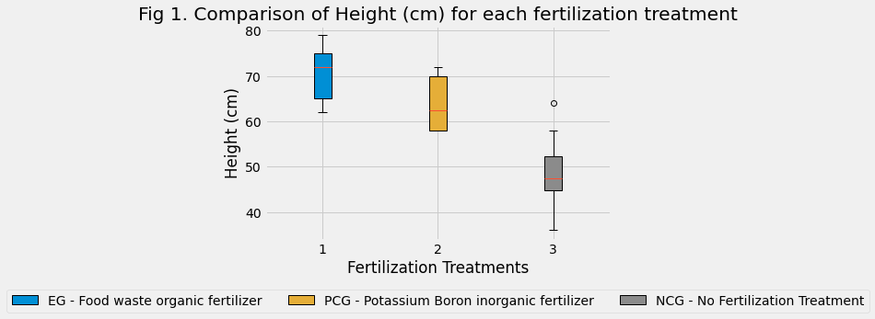
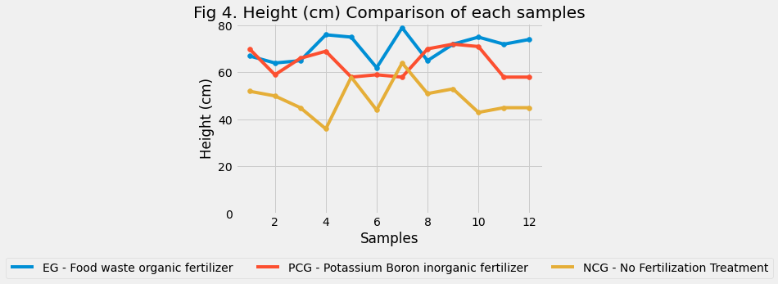
3 | 66.00 | 27.00 | 249.00 | mean | 64.00 | 31.17 | 280.08 | EG ~ PCG | 2.72 | 1.26E-02 | TRUE | DATA VISUALIZATIONS
4 | 69.00 | 31.00 | 318.00 | std | 6.09 | 8.58 | 49.07 | EG ~ NCG | 8.03 | 5.53E-08 | TRUE
5 | 58.00 | 28.00 | 207.00 | min | 58.00 | 21.00 | 207.00 | PCG ~ NCG | 5.45 | 1.78E-05 | TRUE
6 | 59.00 | 32.00 | 250.00 | 25% | 58.00 | 26.75 | 249.75
7 | 58.00 | 21.00 | 293.00 | 50% | 62.50 | 28.50 | 273.50 | Table 9. Determine Significant Differences of the No. of leaves between fertilization treatments through Bonferroni Test.
8 | 70.00 | 29.00 | 260.00 | 75% | 70.00 | 31.25 | 299.25 | Pairs | T-statistic | P-value | Reject null hypothesis
9 | 72.00 | 28.00 | 283.00 | max | 72.00 | 52.00 | 394.00 | EG ~ PCG | 4.18 | 3.88E-04 | TRUE
10 | 71.00 | 44.00 | 265.00 |  |  |  |  | EG ~ NCG | 3.71 | 1.21E-03 | TRUE
11 | 58.00 | 52.00 | 394.00 |  |  |  |  | PCG ~ NCG | -0.99 | 3.35E-01 | FALSE
12 | 58.00 | 26.00 | 282.00

 |  |  |  |  |  |  |  | Table 10. Determine Significant Differences of the Total length of leaves (cm) between fertilization treatments through Bonferroni Test.
 |  |  |  |  |  |  |  | Pairs | T-statistic | P-value | Reject null hypothesis
Table 3. Negative Control Group: The Growth of African Marigold that received No fertilization treatment after 3 weeks of growth. |  |  |  | Table 6. Negative Control Group: Summary of Table 3 No fertilization treatment. |  |  |  | EG ~ PCG | 4.18 | 3.88E-04 | TRUE
Samples | Height (cm) | No. of leaves | Total length of leaves (cm) |  |  |  |  | EG ~ NCG | 3.71 | 1.21E-03 | TRUE
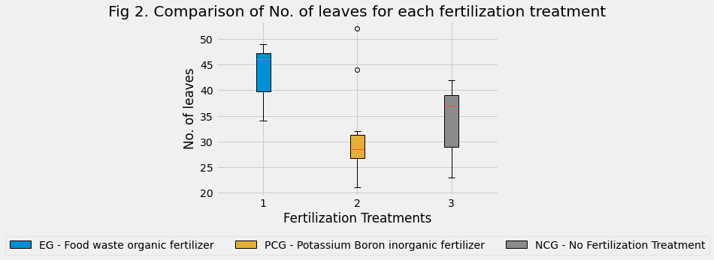
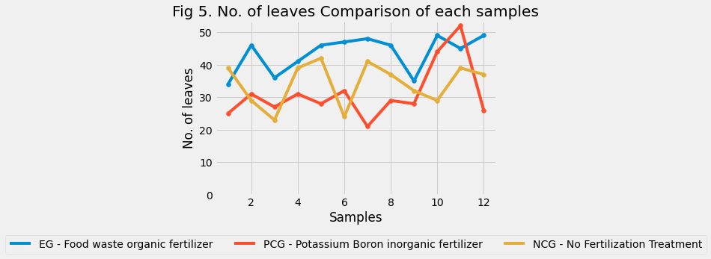
1 | 52.00 | 39.00 | 227.00 |  | Height (cm) | No. of leaves | Total length of leaves (cm) | PCG ~ NCG | -0.99 | 3.35E-01 | FALSE
2 | 50.00 | 29.00 | 247.00 | count | 12.00 | 12.00 | 12.00
3 | 45.00 | 23.00 | 216.00 | mean | 48.83 | 34.25 | 247.17 | Summary of Analysis:
4 | 36.00 | 39.00 | 208.00 | std | 7.47 | 6.61 | 37.81 | The results of One-Way Anova test for each of the growth paramaters had p-values that were all less than or equal to alpha. This concludes that there exists significant differences between the groups for each of the growth parameters. We now have reason to believe that a significant difference between the groups exist, therefore another question may now be answered which is where does the significant differences lie. 2 Post-Hoc methods were utilised to find the significant differences. Firstly the Bonferroni Test which is to just do t-tests between each possible pairs of each data group. Though performing multiple t-tests can cause randomness, to adjust for this we correct our significance level by, alpha / no. of pairs. After performing Bonferroni Test the results show that each fertilization treatment has significant differences with each other, for each growth parameter. Except for the Positive Control Group and the Negative Control Group as they had no significant differences in the number of leaves and total length of leaves (cm) growth parameters. Merely for verification the Tukey’s Honest Significant Difference were also performed on the dataset the results of which were similar to Bonferonni test.
5 | 58.00 | 42.00 | 236.00 | min | 36.00 | 23.00 | 192.00
6 | 44.00 | 24.00 | 192.00 | 25% | 44.75 | 29.00 | 224.25
7 | 64.00 | 41.00 | 275.00 | 50% | 47.50 | 37.00 | 240.00
8 | 51.00 | 37.00 | 244.00 | 75% | 52.25 | 39.00 | 275.25
9 | 53.00 | 32.00 | 232.00 | max | 64.00 | 42.00 | 326.00
10 | 43.00 | 29.00 | 276.00
11 | 45.00 | 39.00 | 287.00
12 | 45.00 | 37.00 | 326.00

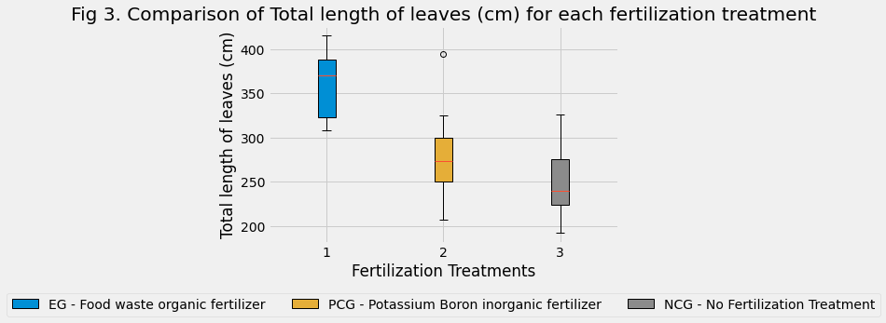
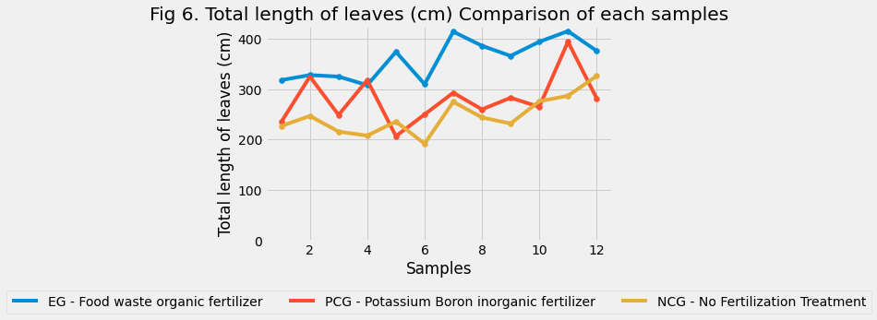

 |  |  |  |  |  |  |  |  |  |  |  | LINK TO REPO: https://github.com/CSjianbel/African-Marigold-Analysis

